Solution
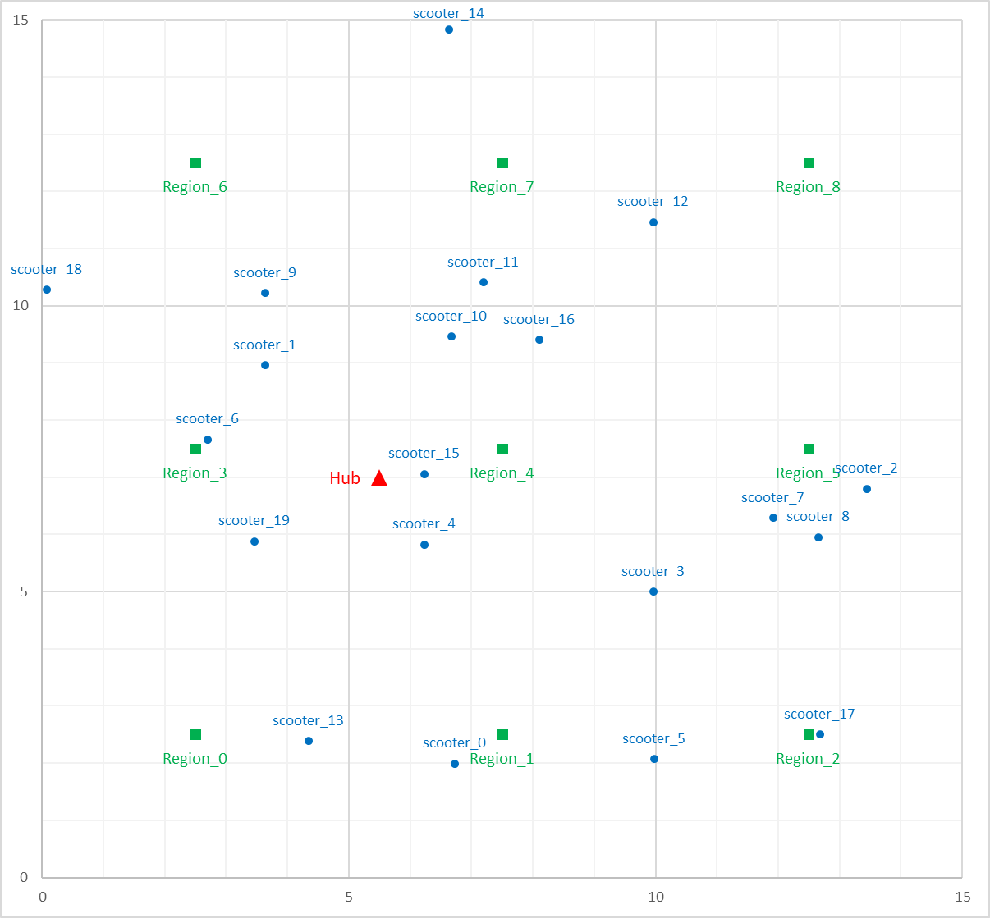
6
8
8
0
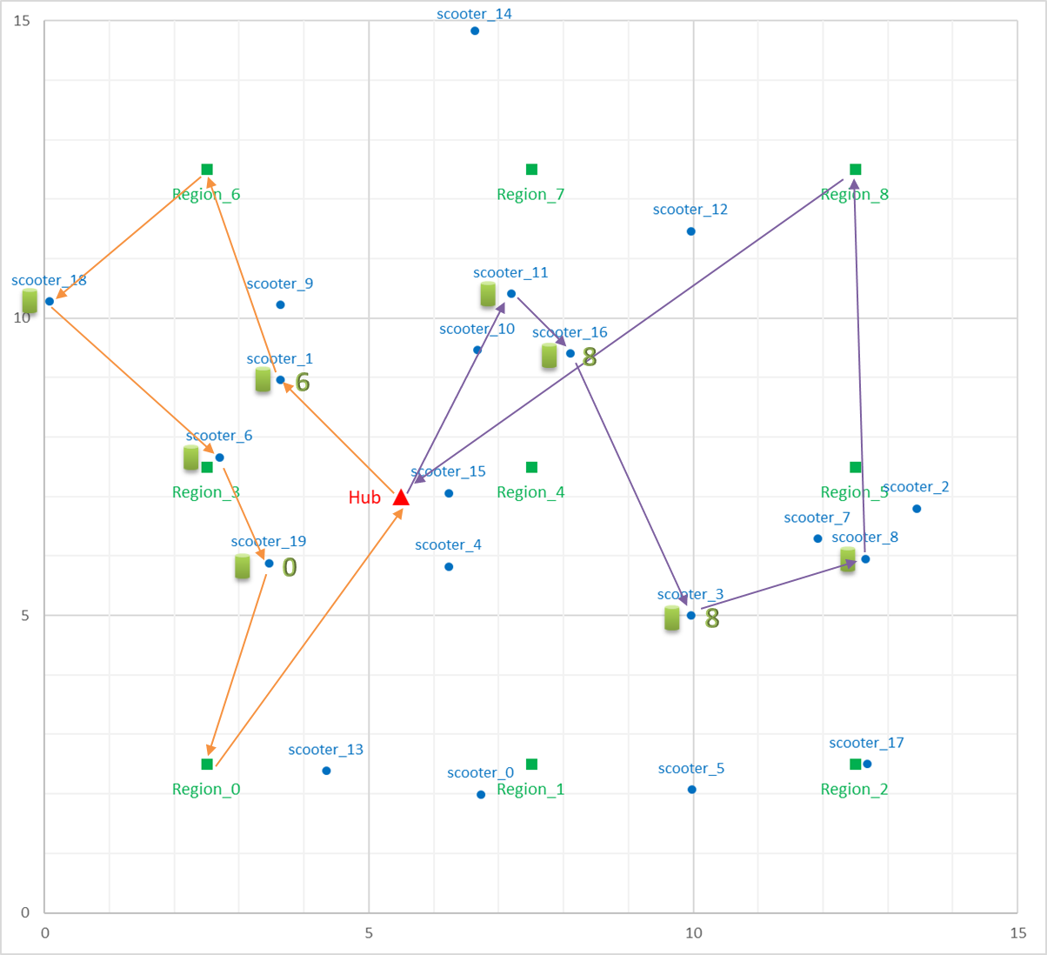
 | location X | location Y | Arrival | Available
Hub | 5.5 | 6.99 | 0
Region_0 | 2.5 | 2.5 | 18.8668
Region_1 | 7.5 | 2.5
Region_2 | 12.5 | 2.5
Region_3 | 2.5 | 7.5
Region_4 | 7.5 | 7.5
Region_5 | 12.5 | 7.5
Region_6 | 2.5 | 12.5 | 6.42837
Region_7 | 7.5 | 12.5
Region_8 | 12.5 | 12.5 | 19.3563
scooter_0 | 6.73 | 1.99
scooter_1 | 3.64 | 8.96 | 2.70934 | 6.42837
scooter_2 | 13.44 | 6.8
scooter_3 | 9.96 | 5 | 9.9518 | 19.3563
scooter_4 | 6.23 | 5.82
scooter_5 | 9.98 | 2.07
scooter_6 | 2.7 | 7.66 | 13.4176 | 13.4176
scooter_7 | 11.92 | 6.29
scooter_8 | 12.65 | 5.95 | 12.8046 | 12.8046
scooter_9 | 3.63 | 10.22
scooter_10 | 6.68 | 9.46
scooter_11 | 7.2 | 10.41 | 3.81921 | 3.81921
scooter_12 | 9.97 | 11.46
scooter_13 | 4.34 | 2.39
scooter_14 | 6.64 | 14.83
scooter_15 | 6.23 | 7.06
scooter_16 | 8.11 | 9.4 | 5.1787 | 19.3563
scooter_17 | 12.68 | 2.5
scooter_18 | 0.08 | 10.28 | 9.71239 | 9.71239
scooter_19 | 3.46 | 5.88 | 15.3531 | 18.8668

